By year
Year | Deaths | State perpetrator deaths | State perpetrator direct deaths | Coca deaths | Coca State perpetrator | Coca State victim
1982 | 0 | 0 | 0 | 0 | 0 | 0
1983 | 0 | 0 | 0 | 0 | 0 | 0
1984 | 1 | 0 | 0 | 0 | 0 | 0
1985 | 0 | 0 | 0 | 0 | 0 | 0
1986 | 4 | 0 | 0 | 0 | 0 | 0
1987 | 6 | 6 | 6 | 5 | 5 | 0
1988 | 13 | 13 | 13 | 12 | 12 | 0
1989 | 2 | 0 | 0 | 0 | 0 | 0
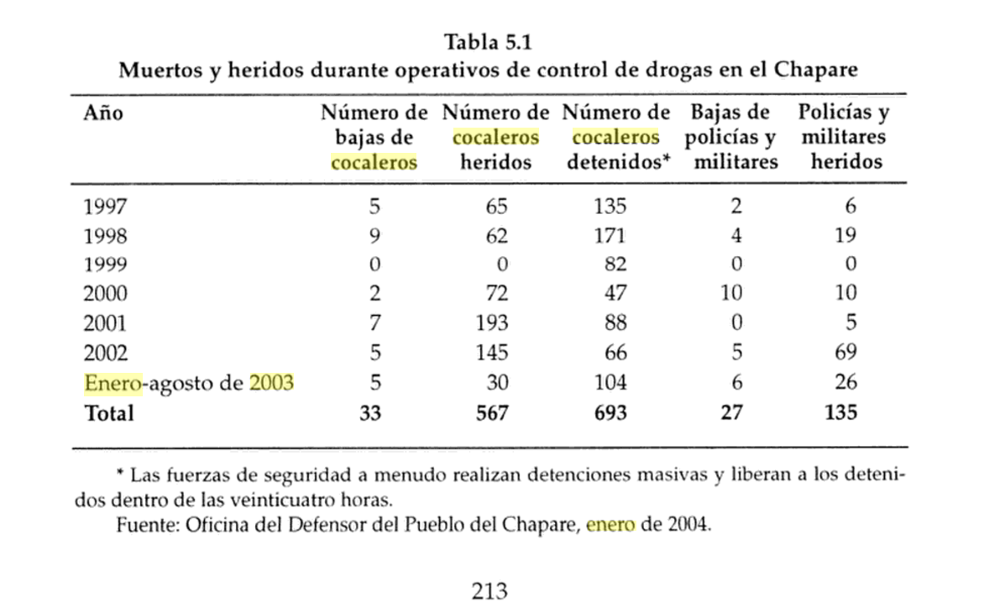
1990 | 7 | 5 | 5 | 0 | 0 | 0
1991 | 1 | 1 | 1 | 1 | 1 | 0
1992 | 3 | 1 | 1 | 2 | 1 | 0
1993 | 1 | 1 | 1 | 0 | 0 | 0
1994 | 2 | 2 | 2 | 2 | 2 | 0
1995 | 8 | 6 | 4 | 7 | 5 | 0
1996 | 12 | 11 | 9 | 0 | 0 | 0
1997 | 7 | 6 | 1 | 7 | 6 | 1
1998 | 19 | 15 | 0 | 19 | 15 | 3
1999 | 0 | 0 | 0 | 0 | 0 | 0
2000 | 48 | 12 | 12 | 8 | 0 | 8
2001 | 26 | 16 | 16 | 8 | 8 | 0
2002 | 16 | 6 | 6 | 10 | 5 | 5
2003 | 135 | 105 | 84 | 14 | 7 | 7
2004 | 9 | 1 | 1 | 1 | 1 | 0
2005 | 1 | 1 | 1 | 0 | 0 | 0
2006 | 21 | 3 | 3 | 2 | 2 | 0
2007 | 8 | 5 | 5 | 0 | 0 | 0
2008 | 21 | 2 | 2 | 0 | 0 | 0
2009 | 3 | 3 | 3 | 0 | 0 | 0
2010 | 6 | 2 | 2 | 0 | 0 | 0
2011 | 6 | 0 | 0 | 0 | 0 | 0
2012 | 9 | 4 | 4 | 0 | 0 | 0
2013 | 0 | 0 | 0 | 0 | 0 | 0
2014 | 11 | 2 | 2 | 0 | 0 | 0
2015 | 7 | 0 | 0 | 0 | 0 | 0
2016 | 16 | 4 | 4 | 0 | 0 | 0
2017 | 2 | 1 | 1 | 1 | 1 | 0
2018 | 0 | 0 | 0 | 0 | 0 | 0

Chart by Year
Deaths in Bolivian Political Conflict

Categorized deaths
Presidency | First | Last | Days in Office | Deaths per year | Death per year (including deaths counted only by APDH) | Deaths in our database | APDH totals | State-perpetrator deaths | State-victim deaths | Frequency of coca-related deaths | Coca-related deaths with state perpetrator | Coca-related deaths with state victim | Salazar-Ortuño Total | Salazar-Ortuño Civilian | Salazar-Ortuño Uniformed | Frequency of guerrilla/paramilitary/narco deaths | Guerrilla/paramilitary/narco deaths with state perpetrator | Guerrilla/paramilitary/narco deaths with state victim | Deaths (excluding coca, guerrilla, paramilitary) | State-perpetrator deaths (excluding coca, guerrilla, paramilitary) | State-victim deaths (excluding coca, guerrilla, paramilitary) | Separate from state deaths (excluding coca, guerrilla, paramilitary) | Unassigned deaths | Missing deaths vs APDH reports
Hernán Siles Zuazo | 10-Oct-1982 | 6-Aug-1985 | 1031 | 0.35 | 0.35 | 1 |  | 0 | 0 | 0 | 0 | 0 | 4 | 3 | 1 | 0 | 0 | 0 | 1 | 0 | 0 | 1 | 0
Víctor Paz Estenssoro | 6-Aug-1985 | 6-Aug-1989 | 1461 | 6.25 | 6.25 | 25 | 15 | 19 | 1 | 17 | 17 | 0 | 23 | 22 | 1 | 6 | 0 | 1 | 2 | 2 | 0 | 0 | 0 | -10
Jaime Paz Zamora | 6-Aug-1989 | 6-Aug-1993 | 1461 | 3.00 | 7.49 | 12 | 30 | 8 | 2 | 3 | 2 | 0 | 2 | 2 |  | 7 | 5 | 1 | 2 | 1 | 1 | 0 | 0 | 18
Gonzalo Sanchez de Lozada (1st) | 6-Aug-1993 | 6-Aug-1997 | 1461 | 7.00 | 11.99 | 28 | 48 | 25 | 1 | 15 | 13 | 0 | 18 | 16 | 2 | 0 | 0 | 0 | 13 | 12 | 1 | 0 | 0 | 20
Hugo Banzer (2nd) | 6-Aug-1997 | 7-Aug-2001 | 1462 | 18.97 | 18.97 | 76 | 28 | 31 | 13 | 29 | 16 | 12 | 36 | 23 | 13 | 0 | 0 | 0 | 47 | 15 | 1 | 2 | 29 | -48
Jorge Quiroga | 7-Aug-2001 | 6-Aug-2002 | 364 | 28.08 | 30.08 | 28 | 30 | 16 | 4 | 15 | 11 | 4 | 17 | 13 | 4 | 0 | 0 | 0 | 13 | 5 | 0 | 8 | 0 | 2
Gonzalo Sanchez de Lozada (2nd) | 6-Aug-2002 | 17-Oct-2003 | 437 | 113.59 | 113.59 | 136 | 119 | 106 | 22 | 12 | 8 | 4 | 16 | 12 | 4 | 0 | 0 | 0 | 124 | 98 | 18 | 4 | 4 | -17
Carlos Diego Mesa Gisbert | 17-Oct-2003 | 9-Jun-2005 | 601 | 9.11 | 9.11 | 15 |  | 2 | 9 | 5 | 1 | 4 | 6 | 3 | 3 | 0 | 0 | 0 | 10 | 1 | 5 | 0 | 4
Eduardo Rodriguez | 9-Jun-2005 | 22-Jan-2006 | 227 | 0.00 | 0.00 | 0 |  | 0 | 0 | 0 | 0 | 0 |  |  |  | 0 | 0 | 0 | 0 | 0 | 0 | 0 | 0
Evo Morales | 22-Jan-2006 | 7-Nov-2017 | 4307 | 9.32 | 9.32 | 110 |  | 26 | 3 | 3 | 2 | 0 |  |  |  | 3 | 3 | 0 | 104 | 21 | 3 | 30 | 50
Totals |  |  |  |  |  | 431 |  | 233 | 55 | 99 | 70 | 24 |  |  |  | 16 | 8 | 2 | 316 | 155 | 29
 |  |  |  |  |  |  |  |  |  | Missing coca deaths |  |  | Red indicates Salazar Ortuño has more deaths than our database
 |  |  |  |  |  |  |  |  |  | 24
 |  |  |  |  |  |  |  |  |  | Compare with Salazar Ortuño, "De la coca al poder: políticas públicas de sustitución de la economía de la coca y pobreza en Bolivia (1975-2004)" |  |  |  |  |  |  |  |  |  |  |  | These columns indicate uncoded deaths |  | This column indicates deaths not yet in the database
 |  |  |  |  |  |  |  |  |  | 123 | 95 | 28
 |  |  |  |  |  |  |  |  |  |  | civilians | uniformed
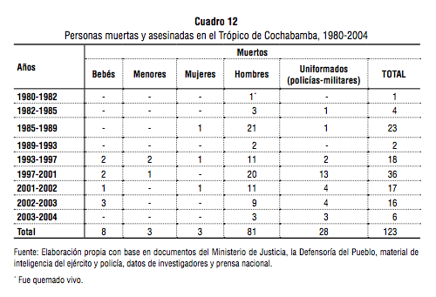
 |  |  |  |  |  |  |  |  |  |  | (not all state perpetrator)

C2|State deaths by Pres
Conflict deaths caused by Bolivian state security forces, since 1982

